Do Now Exercise 7A page 306
 | Do Now
 | Exercise 7A page 306

 | Find the probability of each event (use a spreadsheet calculation)
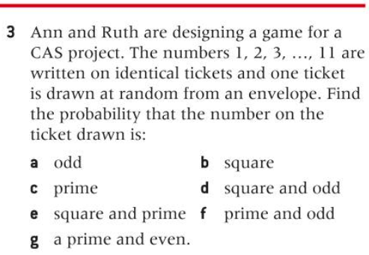
3
a)
b)
c)
d)
e)
f)
g)

Example 3 page 308
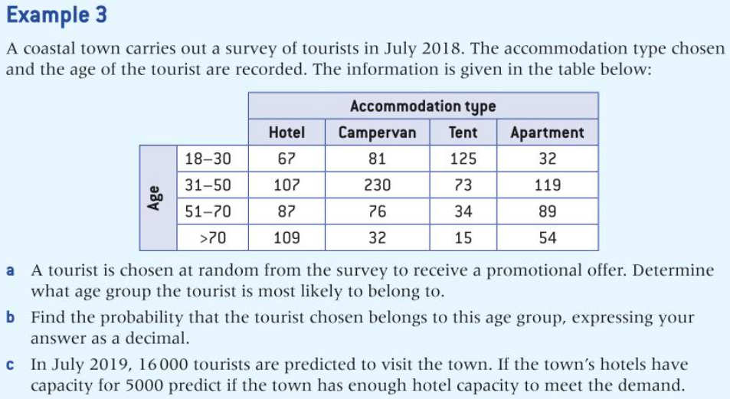

Age | Hotel | Campervan | Tent | Apartment
18-30 | 67 | 81 | 125 | 32
31-50 | 107 | 230 | 73 | 119
51-70 | 87 | 76 | 34 | 89
>70 | 109 | 32 | 15 | 54

